GAS.2
Exercise GAS.2: Fill in the two tables below, “IMPORTS BY ORIGIN” and “EXPORTS BY DESTINATION” for Hungary, using the following information:
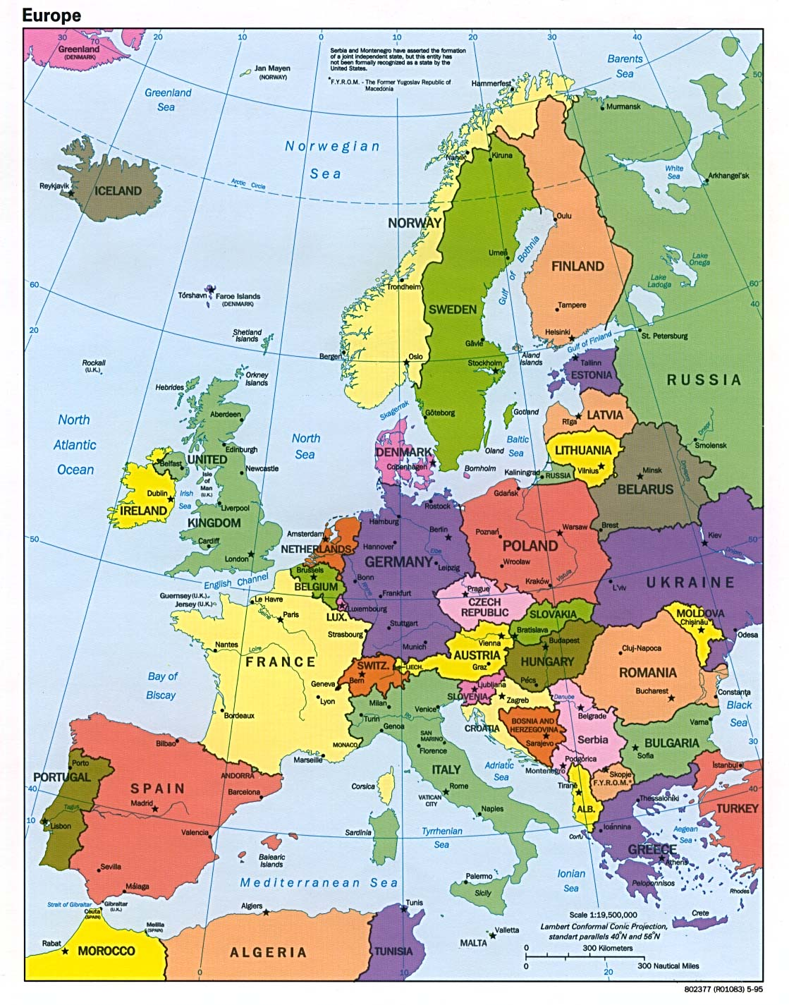

The Russian Federation produces 9814 Mm3 of gas which is delivered to Hungary through Ukraine, of which 1000 Mm3 is then delivered to Serbia.
Slovenia delivers 150 Mm3 of gas produced in France to Hungary via Italy.
Hungary also receives 11 Mm3 of gas by pipeline from Austria which is produced in Germany.
Hungary also imports 2428 Mm3 from Other Former Soviet Union.
Hungary exports 21 Mm3 of natural gas.

Note: all quantities are measured in Standard Conditions.

IMPORTS BY ORIGIN |  |  |  |  | EXPORTS BY DESTINATION |  |  |  |  |  |  | LNGTJ
Hungary |  |  |  | NATGASTJ | Hungary |  |  |  | NATGASCM | LNGCM | NATGASTJ
 |  | Million m3 |  |  |  |  | Million m3
COUNTRY OF ORIGIN |  | Total Imports | of which: LNG |  | COUNTRY OF DESTINATION |  | Total Exports | of which: LNG
 | row | A | B |  |  |  | A | B
Algeria | 1 |  |  |  | Argentina | 1
Argentina | 2 |  |  |  | Armenia | 2
Australia | 3 |  |  |  | Australia | 3
Austria | 4 |  |  |  | Austria | 4
Azerbaijan | 5 |  |  |  | Belarus | 5
Belgium | 6 |  |  |  | Belgium | 6
Bosnia and Herzegovina | 7 |  |  |  | Bosnia and Herzegovina | 7
Brunei Darussalam | 8 |  |  |  | Brazil | 8
Bulgaria | 9 |  |  |  | Bulgaria | 9
Canada | 10 |  |  |  | Canada | 10
Chile | 11 |  |  |  | Chile | 11
Croatia | 12 |  |  |  | China | 12
Cyprus | 13 |  |  |  | Chinese Taipei | 13
Czech Republic | 14 |  |  |  | Croatia | 14
Denmark | 15 |  |  |  | Cyprus | 15
Egypt | 16 |  |  |  | Czech Republic | 16
Equatorial Guinea | 17 |  |  |  | Denmark | 17
Estonia | 18 |  |  |  | Dominican Republic | 18
Finland | 19 |  |  |  | Estonia | 19
France | 20 |  |  |  | Finland | 20
Germany | 21 |  |  |  | France | 21
Greece | 22 |  |  |  | Georgia | 22
Hungary | 23 |  |  |  | Germany | 23
Indonesia | 24 |  |  |  | Greece | 24
Iran, Islamic Republic | 25 |  |  |  | Hungary | 25
Iraq | 26 |  |  |  | India | 26
Ireland | 27 |  |  |  | Ireland | 27
Israel | 28 |  |  |  | Israel | 28
Italy | 29 |  |  |  | Italy | 29
Japan | 30 |  |  |  | Japan | 30
Kazakhstan | 31 |  |  |  | Kazakhstan | 31
Korea | 32 |  |  |  | Korea | 32
Latvia | 33 |  |  |  | Kuwait | 33
Libyan Arab Jamahiriyah | 34 |  |  |  | Kyrgyzstan | 34
Lithuania | 35 |  |  |  | Latvia | 35
Luxembourg | 36 |  |  |  | Lithuania | 36
Macedonia, Former Yugoslav Republic | 37 |  |  |  | Luxembourg | 37
Malaysia | 38 |  |  |  | Macedonia, Former Yugoslav Republic | 38
Malta | 39 |  |  |  | Malta | 39
Mexico | 40 |  |  |  | Mexico | 40
Montenegro | 41 |  |  |  | Moldova, Republic | 41
Netherlands | 42 |  |  |  | Montenegro | 42
New Zealand | 43 |  |  |  | Netherlands | 43
Nigeria | 44 |  |  |  | New Zealand | 44
Norway | 45 |  |  |  | Norway | 45
Oman | 46 |  |  |  | Other Former Soviet Union | 46
Other Asia and Pacific | 47 |  |  |  | Other Latin America | 47
Other Former Soviet Union | 48 |  |  |  | Poland | 48
Poland | 49 |  |  |  | Portugal | 49
Portugal | 50 |  |  |  | Romania | 50
Qatar | 51 |  |  |  | Russian Federation | 51
Romania | 52 |  |  |  | Serbia | 52
Russian Federation | 53 |  |  |  | Slovak Republic | 53
Serbia | 54 |  |  |  | Slovenia | 54
Slovak Republic | 55 |  |  |  | Spain | 55
Slovenia | 56 |  |  |  | Sweden | 56
Spain | 57 |  |  |  | Switzerland | 57
Sweden | 58 |  |  |  | Tajikistan | 58
Switzerland | 59 |  |  |  | Turkey | 59
Trinidad and Tobago | 60 |  |  |  | Ukraine | 60
Turkey | 61 |  |  |  | United Arab Emirates | 61
Turkmenistan | 62 |  |  |  | United Kingdom | 62
Ukraine | 63 |  |  |  | United States | 63
United Arab Emirates | 64 |  |  |  | Uzbekistan | 64
United Kingdom | 65 |  |  |  | Non-specified/Other | 65
United States | 66 |  |  |  | Total Exports | 66 | 0 | 0
Uzbekistan | 67
Yemen | 68
Non-specified/Other | 69
Total Imports | 70 | 0 | 0

